Picture
Pilot

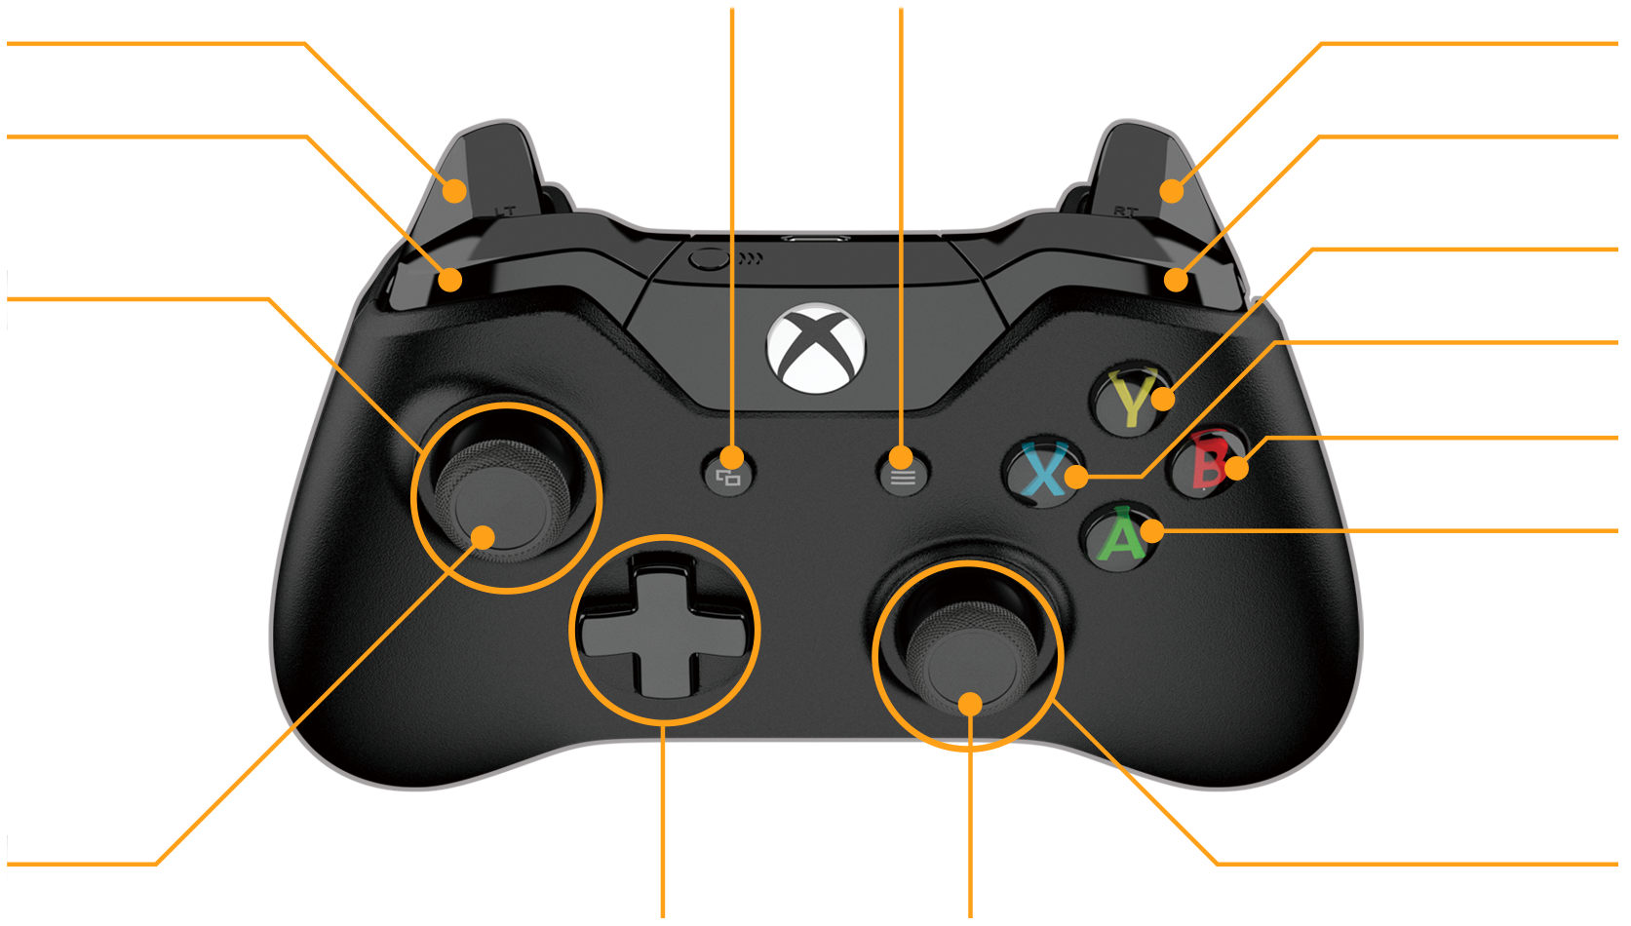
 |  |  |  |  |  |  | Unused | 7 | 8 | Unused
Unused | Axis: 2 |  | LT |  |  |  |  | Back | Start |  |  |  | RT | Axis: 3 |  | Unused

 | Flip Direction | 5 | LB |  |  |  |  |  |  |  |  |  | RB | 6 | Quick Turn

 |  |  |  |  |  |  |  |  |  |  |  |  | Y | 4 | Yeet
Unused | Axis: 0 |  | LX | ↔
Unused | Axis: 1 |  | LY | ↕ |  |  |  |  |  |  |  |  | X | 3 | Unused

 |  |  |  |  |  |  |  |  |  |  |  |  | B | 2 | Unused

 |  |  |  |  |  |  |  |  |  |  |  |  | A | 1 | Unused

 | Unused | 9 | Left Stick |  |  |  |  |  |  |  |  |  | RX | Axis: 4 |  | Unused
 |  |  |  |  |  | POV |  |  |  |  | Right Stick |  | RY | Axis: 5 |  | Unused
 |  |  |  |  |  |  |  |  |  |  | 10 | Unused

 |  |  |  |  | ←↑→↓↖↗↙↘

